Case #1
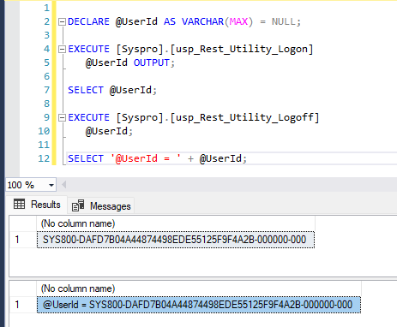
Justin Pope Dev Test
Test Case No. | 1
Process | Unit Testing
Test Consideration | 1) SSMS
Test Condition |  | Data Used | How To Verify | Actual Results
Tasks
 | Excute modified procedure testing that the Uri is set correctly | Azure Dev Data |  | Screen Shots
Configuration/Data Setup for Testing Scenario
Verification
Test Cast Screens Shots Before and After

 | Gnosis_Rest_Utility_Logon_For_Post

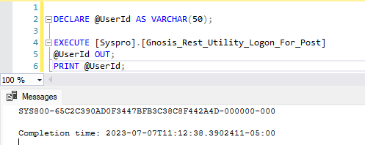

 | Set Up for Testing

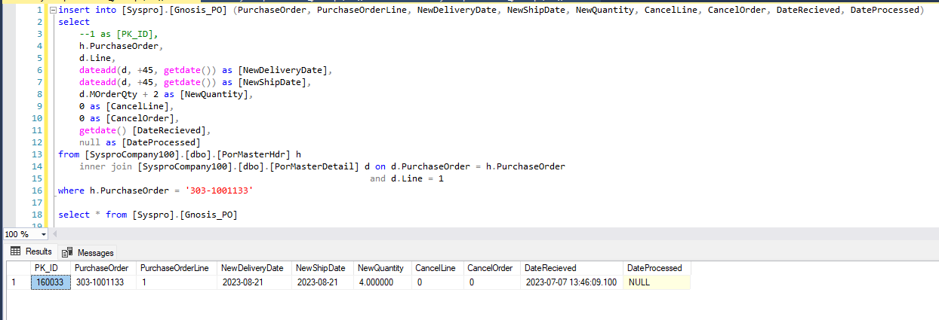

 | Syspro.GnosisPORTOI

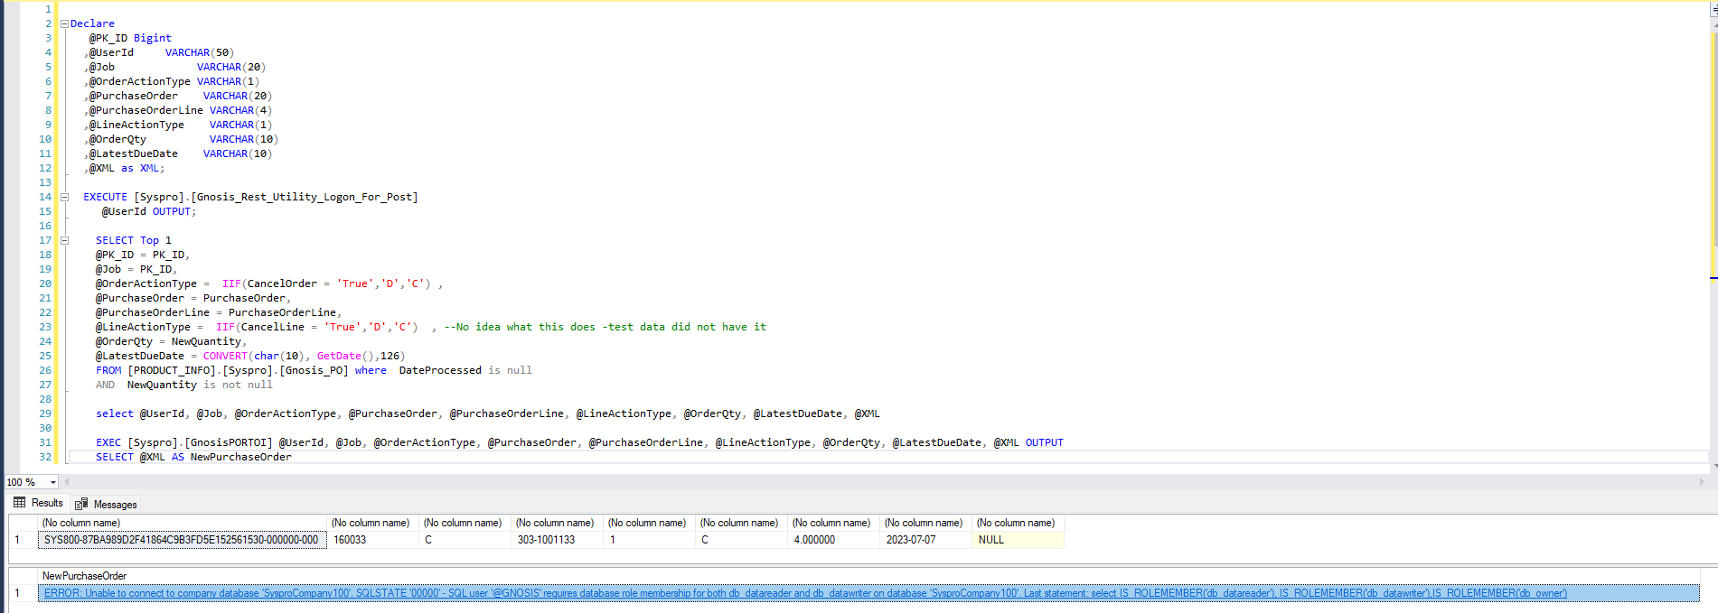

 | Syspro.GnosisPOST_PORTOI

 | usp_Post_Transfers_X_and_Donation
 | usp_Rest_Utility_Transfers_X_and_Donation_Post

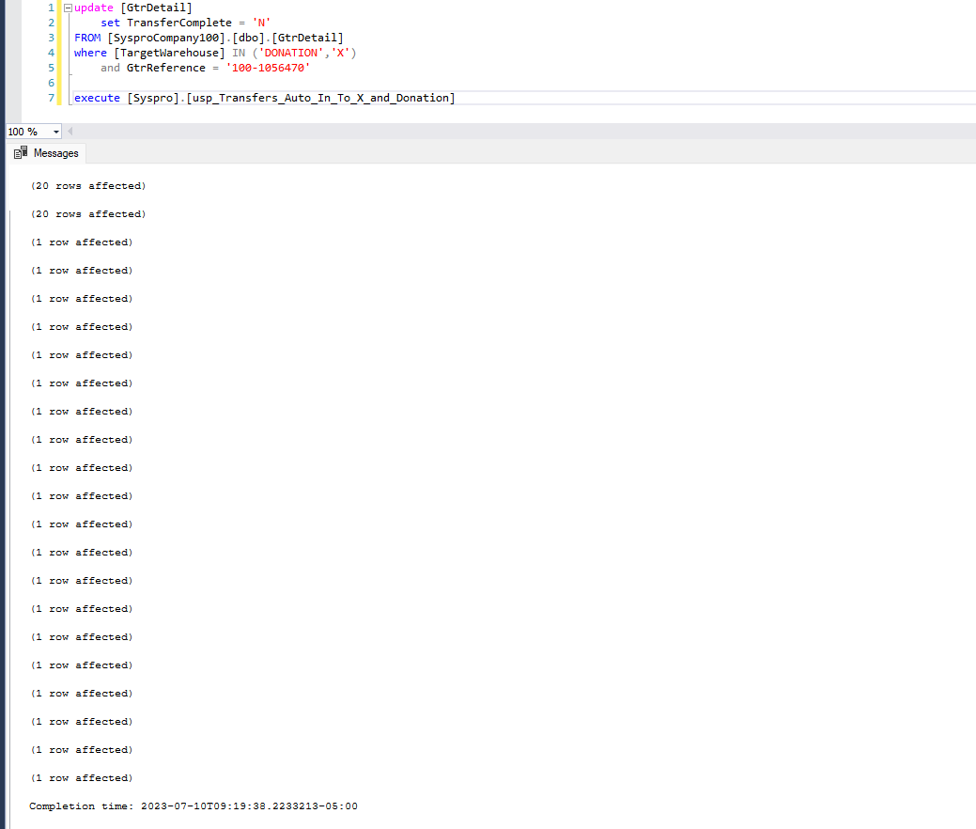

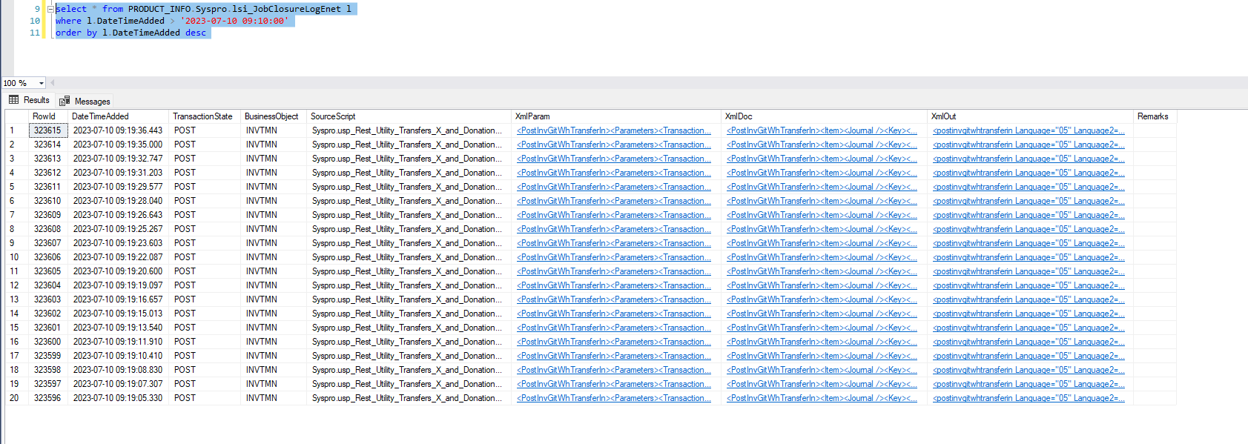

 | usp_Rest_Utility_InventoryInternalSCTPost
 | usp_Post_InventoryInternalSCT

 | usp_Rest_Utility_Logon
 | usp_Rest_Utility_Logoff

